Data Encryption Instruction
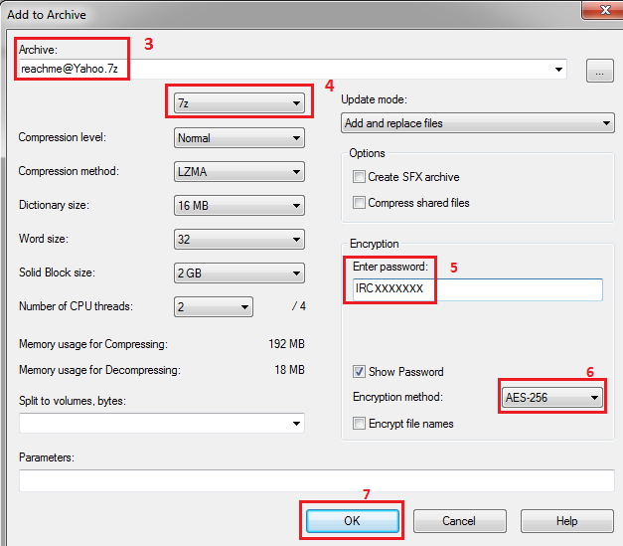
Personal Information Encryption Instruction
Dear Candidate,
For security, it is recommended that the Personal Information Form and any other documents should be encrypted (password protected)
Below are instructions to encrypt your Personal Information Form in excel format, or download free software that will enable you to encrypt multiple documents
before emailing them to Oracle.
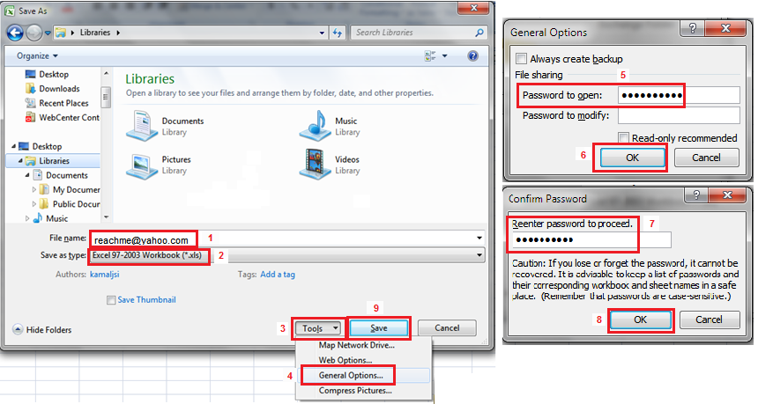
Encrypt 'Personal Information Form' - Single excel file only
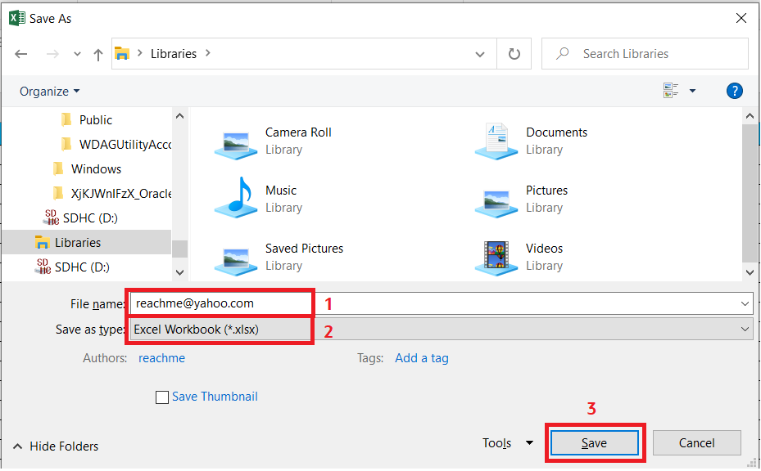
1. Save 'India_Personal Data Sheet' file in your local drive using "Save As".
a. Rename the filename with your personal email ID which you have used in Oracle Recruiting (ORC) application.
2. File type should be in '.XLSX' format
3. Click on "Save" button to save the file.

Encrypt 'Personal Information Form' file with other documents, if needed
Below are instructions to download free software that will enable you to encrypt your multiple documents before emailing them to Oracle.
1. Visit www.7-zip.org/download.html
2. Download Z-Zip 9.20 for Windows
3. Save the 7z920.exe file onto your desktop
4. Double click the icon to install the software
5. Follow the on screen instructions to add the software on your computer.

To encrypt the Personal Information Form and scanned pdf documents, follow the next step by step instructions included in this guide
1. Highlight the Personal Information Form and scanned documents
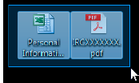

2. Right click either of the two documents, choose 7-Zip, then “Add to archive…”
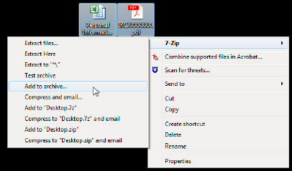

3. Re-name the Archive file
4. Change the Archive format to “7z”
5. Enter the Oracle Offer Letter Reference ID as the password. The Oracle Offer Letter Reference ID can be found on top of the offer letter.
6. Make sure the Encryption method is set to AES-256
7. Press OK.

Below is a picture of the fields that needs your attention when encrypting your documents. The step number has been included next to the box for convenience.

